
 |  |  |  | CODE: |  |  | PL1276BC aa SN from 98L000
DESCRIPTION: |  | EXTERNAL PARTS |  | EXTERNE TEILE | EXTERNES PARTIES | EXTERNAS PARTES | PARTI ESTERNE
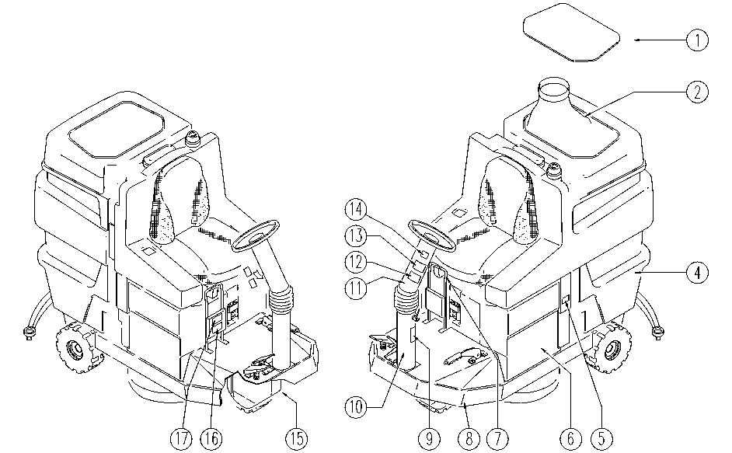

REF. | CODE | DESCRIPTION | QT
1 | E86906 | AS36 Lid | 1
2 | AL04714BC | MEMBRANE | 1
4 | E86907 | AS36 Tank | 1
5 | E89162 | Label for fuse FS28 | 1
6 | SL17342BC | TANK / BOX | 1
7 | SL09523F | HANDLE | 1
8 | SL09678F | FRAME | 1
9 | SL25559 | LABEL | 1
10 | SL09696F | STEERING COLUMN | 1
11 | SL09697F | STEERING COLUMN | 1
12 | SL25177 | LABEL | 1
13 | SL25053 | ADESIVE LABEL | 1
14 | SL25362 | ADESIVE LABEL | 1
15 | SL17337BC | CASE | 1
16 | SL25911 | LABEL | 1
17 | SL25912 | LABEL | 1

